Kalkulator minimalnej odległośc
EASYSOLAR.APP DESIGN APP ADD-ON
EASYSOLAR SHADE CALCULATOR
CALCULATE THE MINIMUM SUGGESTED DISTANCE BETWEEN PHOTOVOLTAIC MODULES

The height of the panels h | 1 | m
The angle of the panels α | 35 | °
Latitude (for the northern hemisphere) φ | 54.21 | °
The angle of the rays β | 12.52 | °
Suggested distance between rows | 3.407 | m
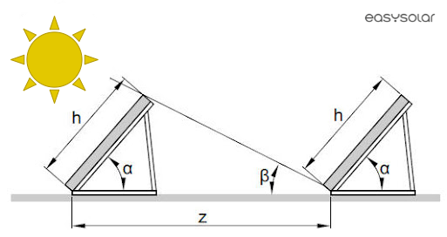

Check more EasySolar.app features

